Dashboard
Nigerian Car Market Analysis Dashboard

Average Vehicle Metrics: Nigerian Car Market

₦5.0M
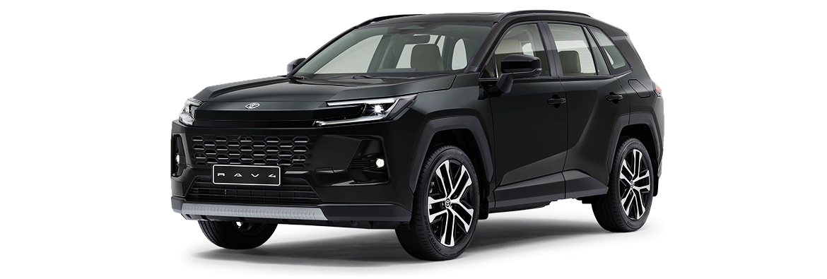
28.4K
(km)
217
(hp)
3.1K
(cc)
Location ; Nigeria, Africa
Price
Mileage
Horse Power
Engine Size

Top 10 Most Poplular Car Brand in Nigeria
 | Total
Toyota | 938
Honda | 291
Lexus | 235
Mercedes-Benz | 201
Ford | 110
Nissan | 95
Hyundai | 75
Kia | 51
Peugeot | 45
Acura | 43
Volkswagen | 43

 | Total
Black | 741
Gray | 498
Silver | 484
Blue | 323
White | 279
Red | 205
Gold | 149
Green | 100
Brown | 46
Beige | 18
Car Brand by Transmission (Automatic vs Manual)
 | Total
Automatic | 2702
Manual | 171
Top 10 Most Used Car Colour in Nigeria

